Table 1

Selected Acquisition Report (SAR)
RCS: DD-A&T(Q&A)823-365

COBRA JUDY REPLACEMENT
As of December 31, 2011
Defense Acquisition Management Information Retrieval
(DAMIR)

Table 7
Schedule

Milestones | SAR Baseline Dev Est | Current APB Development Objective/Threshold |  | Current Estimate
Milestone B/C | SEP 2003 | SEP 2003 | MAR 2004 | OCT 2003
X-Band Phased Array Critical Design Review | AUG 2005 | AUG 2005 | FEB 2006 | FEB 2006
S-Band Phased Array Critical Design Review | SEP 2005 | SEP 2005 | MAR 2006 | MAR 2006
Milestone Decision Authority (MDA) Review | SEP 2005 | AUG 2006 | SEP 2006 | SEP 2006
Ship Procurement | APR 2006 | APR 2006 | OCT 2006 | SEP 2006
Ship Construction / Conversion Start | JUL 2007 | JUL 2007 | JAN 2008 | NOV 2007
Mission Equipment Delivery | JUN 2009 | OCT 2010 | APR 2011 | MAR 2011
Ship Delivery | DEC 2009 | MAY 2011 | NOV 2011 | JAN 2012 1
TECHEVAL Start | DEC 2009 | JAN 2013 | JUL 2013 | FEB 2013
TECHEVAL Completion | JUN 2010 | APR 2013 | OCT 2013 | MAY 2013
OPEVAL Start | AUG 2010 | MAY 2013 | NOV 2013 | JUN 2013
OPEVAL Completion | FEB 2011 | JUL 2013 | JAN 2014 | AUG 2013
Initial Operational Capability | JUN 2011 | SEP 2013 | MAR 2014 | SEP 2013
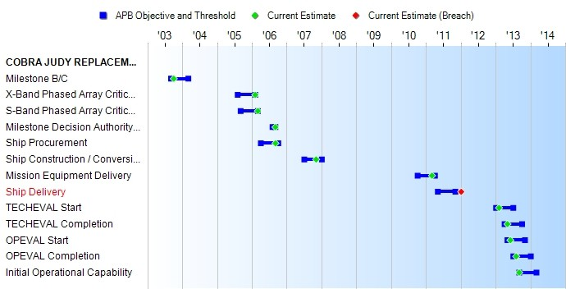
(Ch-1)
(Ch-1)
(Ch-1)
(Ch-1)
(Ch-1)
1APB Breach
Acronyms And Abbreviations

Table 17
Unit Cost History
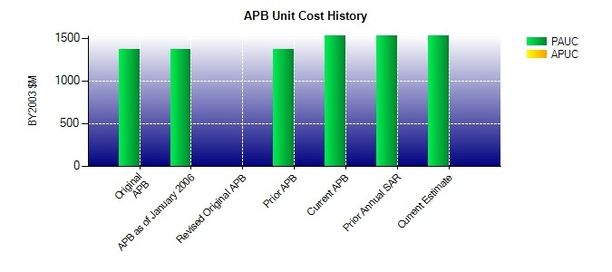
SAR Unit Cost History
Current SAR Baseline to Current Estimate (TY $M)
 |  |  |  |  |  |  |  |  | BY2003 $M |  |  |  |  |  |  | TY $M
 |  |  | Date |  |  |  |  |  | PAUC |  | APUC |  |  |  |  | PAUC |  | APUC
Original APB |  |  | OCT 2003 |  |  |  |  |  | 1365.000 |  | N/A |  |  |  |  | 1464.000 |  | N/A
APB as of January 2006 |  |  | OCT 2003 |  |  |  |  |  | 1365.000 |  | N/A |  |  |  |  | 1464.000 |  | N/A
Revised Original APB |  |  | N/A |  |  |  |  |  | N/A |  | N/A |  |  |  |  | N/A |  | N/A
Prior APB |  |  | FEB 2008 |  |  |  |  |  | 1365.000 |  | N/A |  |  |  |  | 1464.000 |  | N/A
Current APB |  |  | APR 2011 |  |  |  |  |  | 1529.600 |  | N/A |  |  |  |  | 1716.600 |  | N/A
Prior Annual SAR |  |  | DEC 2010 |  |  |  |  |  | 1527.600 |  | N/A |  |  |  |  | 1714.200 |  | N/A
Current Estimate |  |  | DEC 2011 |  |  |  |  |  | 1524.800 |  | N/A |  |  |  |  | 1713.900 |  | N/A
Initial PAUC Dev Est | Changes |  |  |  |  |  |  |  |  |  |  |  |  |  |  |  | PAUC Current Est
 | Econ | Qty |  | Sch |  | Eng | Est |  |  | Oth |  | Spt |  | Total
1464.000 54.200 0.000 36.300 0.000 159.400 0.000 0.000 249.900 1713.900
Current SAR Baseline to Current Estimate (TY $M)
Initial APUC Dev Est | Changes |  |  |  |  |  |  |  |  |  |  |  |  |  |  |  | APUC Current Est
 | Econ | Qty |  |  | Sch | Eng |  | Est |  | Oth |  |  | Spt |  | Total
0.000 0.000 0.000 0.000 0.000 0.000 0.000 0.000 0.000 0.000

